CASO BASE CATEGORIA A
CASO BASE CATEGORIA A

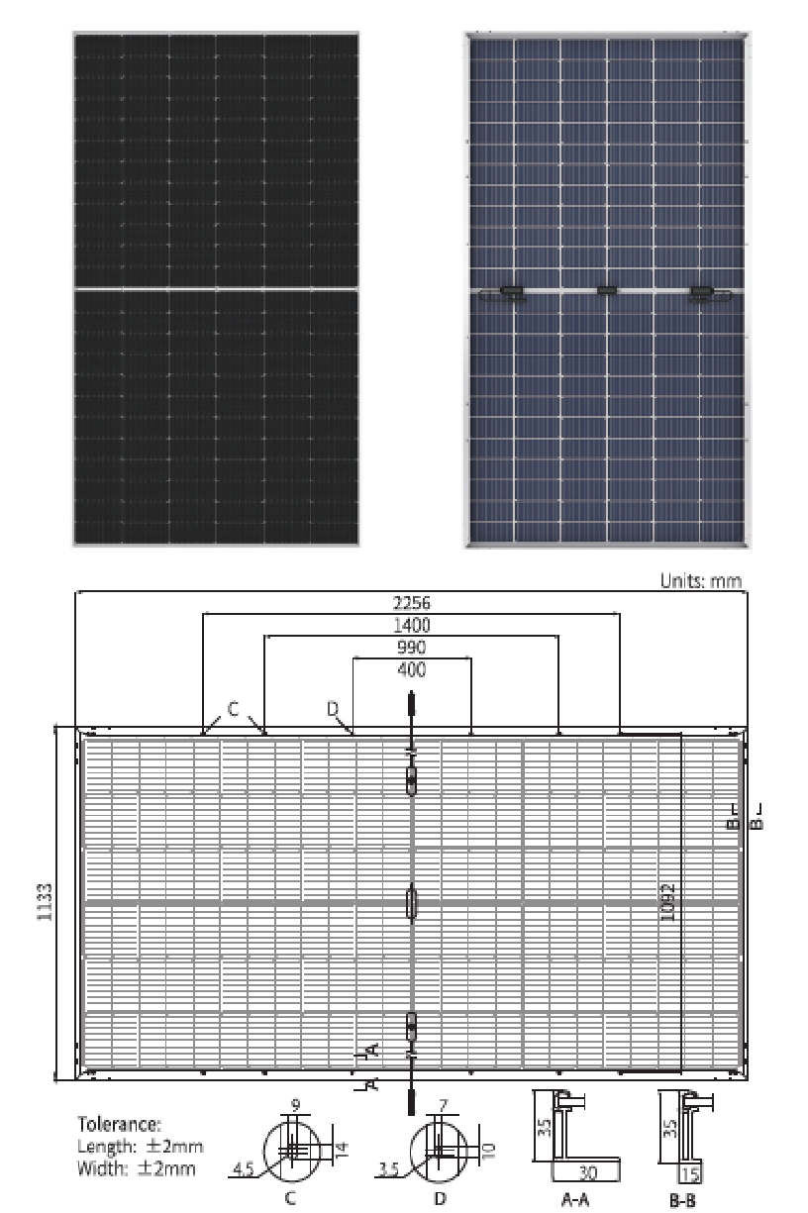
Technical aspect | Required
Peak Power | 100 MWdc
Inverters Power AC | 82,488 MVAs (12 PBs*2 inverters)
Power at POI | 73 MW
Configuration | Free
Inverter (45º) | Sungrow 3125 HV-30 (3,437 MVAs )
Type of panel | LR5 72 HBD Longi 545 W
Panel Overall Dimensions - Height | 2256 mm
Panel Overall Dimensions - Witdth | 1133 mm
Panel Overall Dimensions - Thickness | 35 mm
Panel Weight | 32,3 kg
Estimated number of structures | Free
Tilt angle | Free
Normative for Loads | Free
Commercial aspect | Required
Structure Warranty | 10 years
Non-Corrosion warranty | 25 years (if applicable)
Site Conditions | Required
Corrosion category for aboveground structures | C3
Soil Agressiveness for belowground structures | Low
Maximum Temperature | 36.2ºC
Minimum Temperature | -6.8ºC
Mean Annual Temperature | 12.98ºC
Site Height (m.a.s.l.) | 700
Total Annual Rainfall (mm) | 453
Albedo | 20%
Wind Loads | 27 m/s
Snow Loads | 0,35 kN/m2

CASO BASE CATEGORÍA B
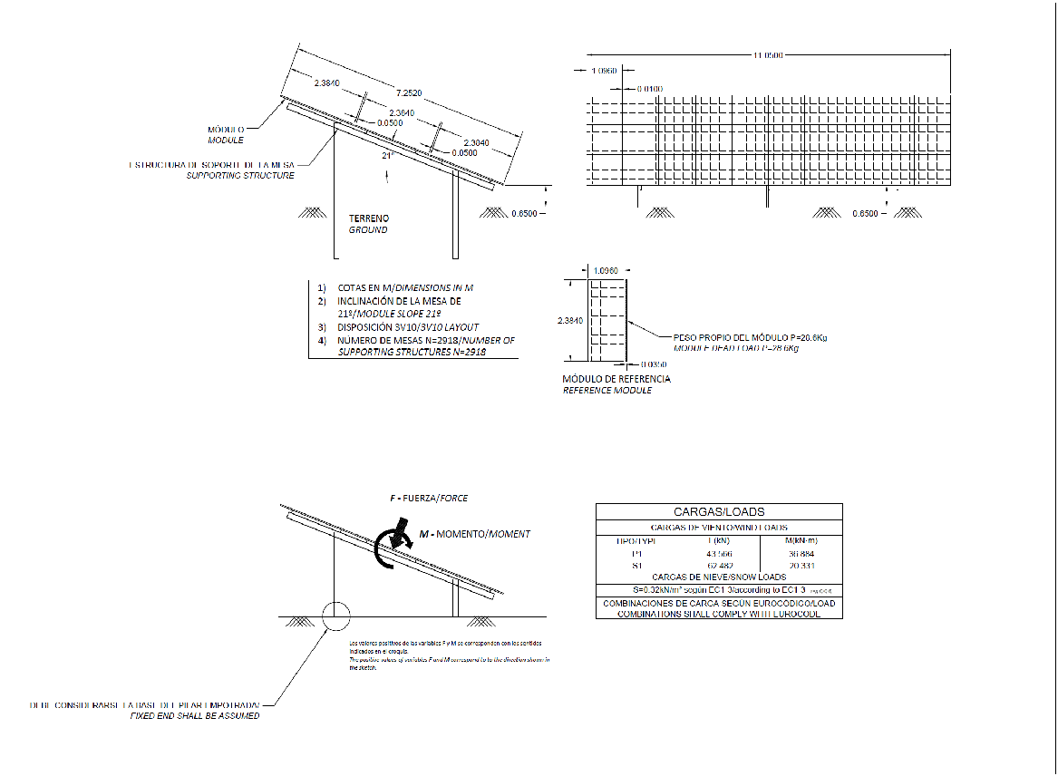

Technical aspect | Required
Configuration | 3V10
Type of panel | TRINA TSM-DE19
Panel Overall Dimensions - Height | 2384 mm
Panel Overall Dimensions - Witdth | 1096 mm
Panel Overall Dimensions - Thickness | 35 mm
Panel Weight | 28,6 Kg
Estimated number of structures | 2918
Tilt angle | 21º
Normative for Loads | Eurocode + CTE
Wind Loads | According to sketch
Snow Loads | According to sketch
Foundations | Driven Pile
Commercial aspect | Required
Structure Warranty | 10 years
Non-Corrosion warranty | 25 years (if applicable)
Acceptance table of technical specification | Required
Site Conditions | Required
Corrosion category for aboveground structures | C3
Soil Agressiveness for belowground structures | Low
Maximum Temperature | 36.2ºC
Minimum Temperature | -6.8ºC
Mean Annual Temperature | 12.98ºC
Site Height (m.a.s.l.) | 700
Total Annual Rainfall (mm) | 453

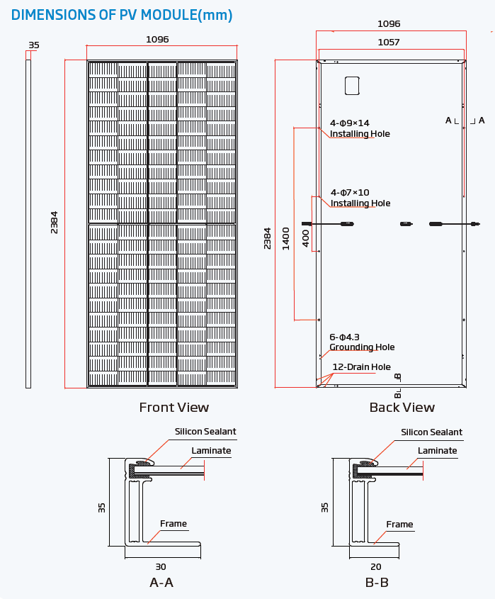

CASO BASE CATEGORIA C

Technical aspect | Required
Peak Power | 100 MWdc
Inverters Power AC | 85,925 MVAs (12 PBs*2 inverters + 1 PB*1 inverter)
Power at POI | 75 MW
Configuration | Free
Inverter (45º) | Sungrow 3125 HV-30 (3,437 MVAs )
Type of panel | LR5 72 HBD Longi 545 W
Panel Overall Dimensions - Height | 2256 mm
Panel Overall Dimensions - Witdth | 1133 mm
Panel Overall Dimensions - Thickness | 35 mm
Panel Weight | 32,3 kg
Estimated number of structures | Free
Tilt angle | Free
Normative for Loads | Free
Commercial aspect | Required
Structure Warranty | 10 years
Non-Corrosion warranty | 25 years (if applicable)
Site Conditions | Required
Corrosion category for aboveground structures | C3
Soil Agressiveness for belowground structures | Low
Maximum Temperature | 36.2ºC
Minimum Temperature | -6.8ºC
Mean Annual Temperature | 12.98ºC
Site Height (m.a.s.l.) | 700
Total Annual Rainfall (mm) | 453
Albedo | 20%
Wind Loads | 27 m/s
Snow Loads | 0,35 kN/m2

